WK 04
Question 1 (1 point)

Saved
1) Data Analysis is a process of
Question 1 options:
 | a) inspecting data
 | b) cleaning data
 | c) transforming data
 | d) All of the above
Question 2 (1 point)

Saved
2) Which of the following is not a major data analysis approach?

Question 2 options:
 | a) Data Mining
 | b) Predictive Intelligence
 | c) Business Intelligence
 | d) Text Analytic
Question 3 (1 point)

Saved
3) Which of the following is true about regression analysis?
Question 3 options:
 | a) answering yes/no questions about the data
 | b) estimating numerical characteristics of the data
 | c) modeling relationships within the data
 | d) describing associations within the data
Question 4 (1 point)

Saved
4) Which of the following figure correctly shows approximate order of difficulty?
Question 4 options:
 | a)
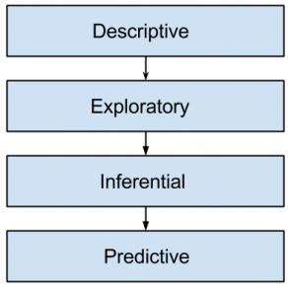

 | b)
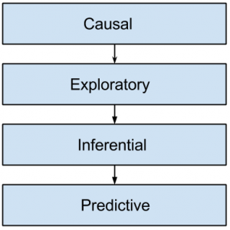

 | c)
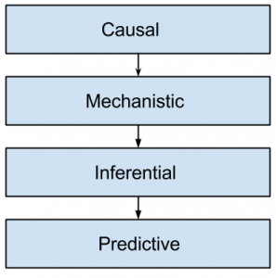

 | d) All of the mentioned
Question 5 (1 point)

Saved

5) If X predicts Y, it does mean X causes Y.
Question 5 options:
 | a) True

 | b) False
Question 6 (1 point)

Saved
Which of the following step is performed by the data scientist after acquiring the data?
Question 6 options:
 | a) Data Replication
 | b) Data Integration
 | c) Data Cleansing
 | d) All of the Mentioned
Question 7 (1 point)

Saved
Data science is the process of diverse set of data through ?
Question 7 options:
 | a) Organizing data
 | b) Processing data
 | c) Analysing data
 | d) All of the above
Question 8 (1 point)

Saved
Predictive analytics relies on capturing relationships between explanatory variables and the _____.
Question 8 options:
 | a) Predicted variables
 | b) Descriptive variables
 | c) Prescriptive variables
 | d) All of the mentioned above
Question 9 (1 point)

Saved
Amongst which of the following is / are the correct workflow of predictive analytics
Question 9 options:
 | a) Import data → Clean the data → Develop a predictive model → Integrate the model
 | b) Clean the data → Develop a predictive model → Import data → Integrate the model
 | c) Clean the data → Develop a predictive model → Import data → Integrate the model
 | d) None of the mentioned above
Question 10 (1 point)

Saved
Predictive analytics uses statistics and ____ to determine future performance.
Question 10 options:
 | a) Algorithmic techniques
 | b) Modeling techniques
 | c) System development and design techniques
 | d) None of the mentioned above

